Sheet1
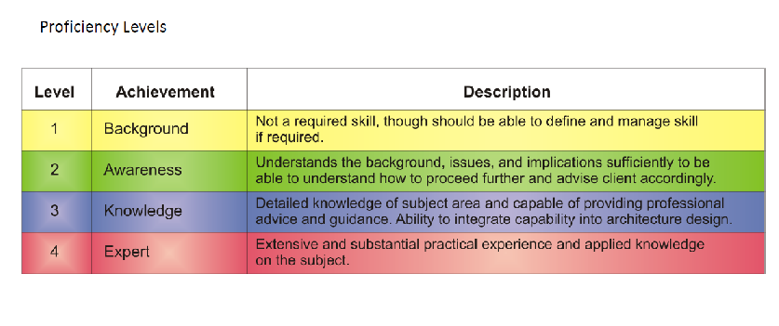
Skills | Current | 2018 | Action Plan | 2025 | Action Plan
General Skills
Leadership
Teamwork
Inter-personal
oral communications
Written communications
Logical analysis
stakeholder management
Risk Management
Business Skills
Business cases
Business process
strategic planning
etc
Enterprise Architcture
Business architecture
Data architecture
Application architecture
technology architecture
Program Management
Managing business change
project management methods
Tools
Frameworks -PMP
IT General knowledge
Brokering applications
asset management
migration planning
ITIL
etc
Legal Environment
Data protection laws
contract law
procurement law
fraud
Security
Data security
Application Security
Infrastructure security

